Dashboard
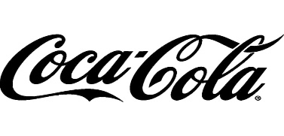
Coca Cola Retailer's Dashboard USA
Figures In USD($)

Total Sales
Operating Profit
Avg Price /Unit
Units Sold
$12,016,665
$4,722,497
$0.45
$24,788,610

Sales by Retailer |  |  |  | Sales by Beverage Brand
Retailer | 2022 | 2023 | Variance | Beverage Brand | 2022 | 2023 | Variance
Amazon | $274,939 | $355,751 | $80,812 | Coca-Cola | $580,536 | $693,861 | $113,325
BevCo | $628,469 | $587,515 | $(40,953) | Dasani Water | $461,718 | $657,839 | $196,121
FizzyCo | $314,455 | $525,653 | $211,198 | Diet Coke | $462,160 | $479,999 | $17,839
Target | $389,068 | $488,866 | $99,797 | Fanta | $310,166 | $351,066 | $40,900
Walmart | $10,475 | $200,904 | $190,429 | Powerade | $365,937 | $410,334 | $44,398
West Soda | $952,955 | $864,941 | $(88,014) | Sprite | $389,844 | $430,529 | $40,685
Grand Total | $2,570,360 | $3,023,629 | $453,268 | Grand Total | $2,570,360 | $3,023,629 | $453,268

Operating Profit & Operating Margin by Quarter
 | Operating Profit | Operating Margin
Qtr1 | $255,989 | $0.402
Qtr2 | $238,312 | $0.400
Qtr3 | $270,003 | $0.410
Qtr4 | $137,246 | $0.402
Qtr1 | $711,581 | $0.417
Qtr2 | $953,054 | $0.428
Qtr3 | $1,139,524 | $0.435
Qtr4 | $1,016,787 | $0.425

